SB_SCALE
The Scoring Balance Scale Graphic

ALL FGA from 3

All FGA From 2
Balanced Scorer

-25
0
25
50
75
100
-100
-75
-50

Legend: | Player |  | Color
 | HUGH | BAXTER
 | CONNOR | PETERSON
 | SCOTT | EVERMAN
 | CHRISTIAN | OSHITA
 | TYRELL | ROBERTS
 | KADEN | RASHEED
 | JOHN | DIENER
 | MARTIN | TOMBE
 | GABE | HADLEY
 | MIKEY | HOWELL
 | MAREK | SULLIVAN

Sheet7
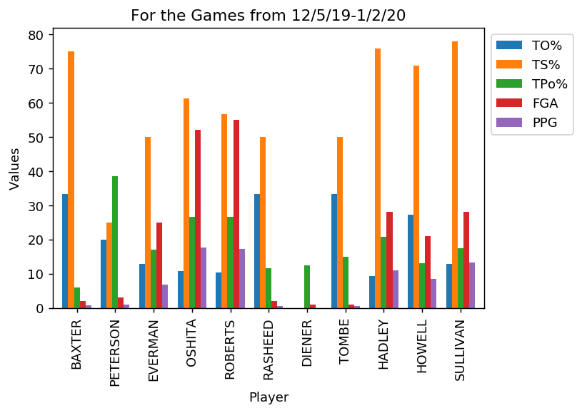

The graphic above has each player along with his corresponding True shooting %, Turnover %, Tpos which is essentially Usg% rate
like in the NBA, and all of the % are converted to be whole numbers.
Then we have their points per game, and field goal attempts per game.

What we can see from this barplot is who is shooting efficently, how frequently, estimate production while in possesion of the ball,
and overall get a sense of the load of the offense being carried by each player in a sense.
This is not the only metrics to be used in determining offensive load, and I really am still trying to find which one to use

